Formulae
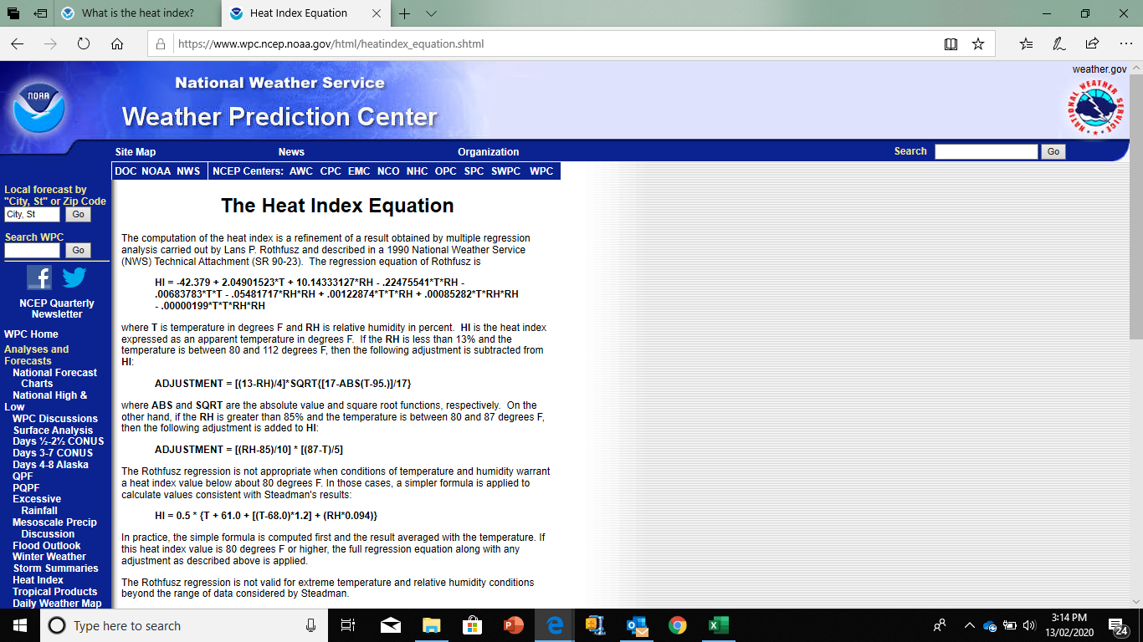
a) | Formula for Heat Index Calculation
 |  |  | >> Enter Temperature |  | >> Enter Humidity
 | Date | Block | T Degree Cel | T In Fahrenheit | Humidity | Heat Index in Fahrenheit | Heat Index for T< 26.7 Deg. Cel | Final Heat Index (In Celsius)
 | 2017-11-12 | 1 | 25.69 | 78.24 | 87.59 | 81.00 | 79.88 | 26.60
 | 2017-11-12 | 2 | 32.35 | 90.23 | 61.83 | 101.31 | 91.86 | 38.50
 | 2017-11-12 | 3 | 32.41 | 90.34 | 61.65 | 101.47 | 91.97 | 38.60
 | 2017-11-12 | 4 | 32.33 | 90.19 | 61.87 | 101.24 | 91.82 | 38.47
 | 2017-11-12 | 5 | 32.32 | 90.18 | 61.74 | 101.12 | 91.80 | 38.40
 | 2017-11-12 | 6 | 32.21 | 89.98 | 61.98 | 100.77 | 91.59 | 38.20

